Requirement
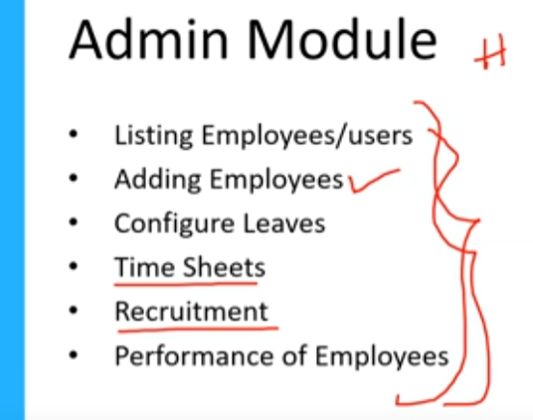 | 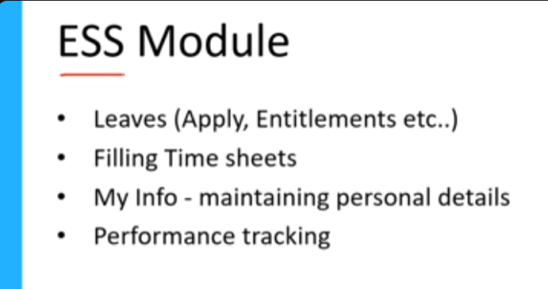 |  | FUNTIONAL REQUIREMENT

HIGH LEVEL MODULE
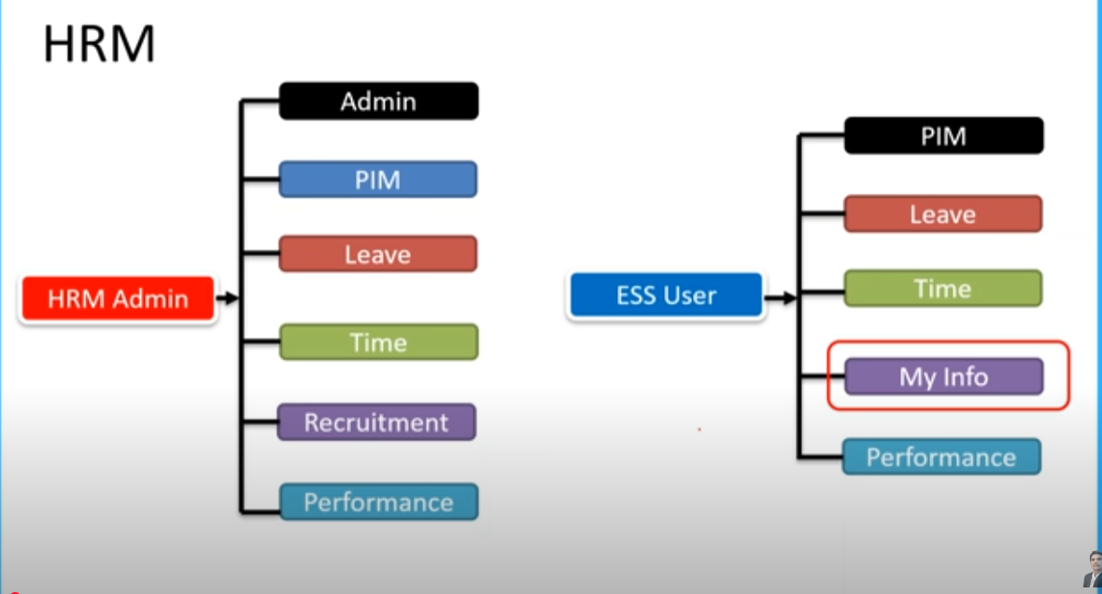

HRM ADMIN - HR |  | ESS USER - EMPLOYEE

STLC
Understand Req.
Test scenario
Test Planning
Test Cases
Test Execution
Identify defect & report to dev( Defect Report)
Closure

Test Case
TC#ID | Project/ModuleName | Req#ID | Scenario | Test Case Title | Step | Test Data | Expected Result | Actual Result | Status
TC_MyInfo_001 | Orange HRM-MyInfo | 3.1.1 | ESS user login | Verify login with valid ESS username and password | 1)Launch Browser 2)Open URL "opensource-demo.orangehrmlive.com" 3)Provide valid ESS username 4)Provide valid ESS password 5)Click Login button | pavan@12345/pavan@12345 | Login SuccESSful,User should redirect to UserPage
TC_MyInfo_002 | Orange HRM-MyInfo | 3.1.1 | ESS user login | Verify login with invalid ESS username and valid password | 1)Launch Browser 2)Open URL "opensource-demo.orangehrmlive.com" 3)Provide valid ESS username 4)Provide valid ESS password 5)Click Login button | AAAA/pavan@12345 | invalid credentials
TC_MyInfo_003 | Orange HRM-MyInfo | 3.1.1 | ESS user login | Verify login with valid ESS username and invalid password | 1)Launch Browser 2)Open URL "opensource-demo.orangehrmlive.com" 3)Provide valid ESS username 4)Provide valid ESS password 5)Click Login button | pavan@12345/AAAAAA | invalid credentials
TC_MyInfo_004 | Orange HRM-MyInfo | 3.1.1 | ESS user login | Verify login with invalid ESS username and password | 1)Launch Browser 2)Open URL "opensource-demo.orangehrmlive.com" 3)Provide valid ESS username 4)Provide valid ESS password 5)Click Login button | AAAAAAAA/AAAAAAAA | invalid credentials
TC_MyInfo_005 | Orange HRM-MyInfo | 3.1.1 | ESS user can view Personal details | Verify ESS user able to view personal details | 1)Login to OrangeHRM as ESS user 2)Click On MyInfo tab 3)Click On Personal Info Link | NA | Should be able to see Personal Information
TC_MyInfo_006 | Orange HRM-MyInfo | 3.1.1 | ESS user can edit Personal details | Verify ESS user can edit some field in personal details | 1)Login to OrangeHRM as ESS user 2)Click On MyInfo tab 3)Click On Personal Info Link 4)Click Edit Button 5)Edit Name,Other Id, License Expiry Date, Gender, Marital Status, Nationality, Nick Name, Military Service,Smoker | NA | Should be able to edit some field in Personal Information
TC_MyInfo_007 | Orange HRM-MyInfo | 3.1.1 | ESS user cannot edit restricted field in Personal details | Verify ESS user cannot edit restricted field in personal details | 1)Login to OrangeHRM as ESS user 2)Click On MyInfo tab 3)Click On Personal Info Link 4)Click Edit Button | NA | Should be unable to edit the following field: Employee ID Driver's License Number Date Of Birth
TC_MyInfo_008 | Orange HRM-MyInfo | 3.1.2 | ESS user can add photograph | Verify ESS user can add/edit photograph | 1)Login to OrangeHRM as ESS user 2)Click On profile's photograph 3)Click Browse and select photograph from revelant path 4)Click Upload | 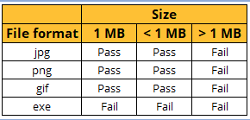 | Should be able to change photograph
TC_MyInfo_009 | Orange HRM-MyInfo | 3.1.2 | ESS user can add photograph | Verify ESS user cannot upload with non support image file/ oversize file | 1)Login to OrangeHRM as ESS user 2)Click On profile's photograph 3)Click Browse and select photograph from revelant path 4)Click Upload |  | An error msg should display with details(size or/an format).
TC_MyInfo_010 | Orange HRM-MyInfo | 3.1.3 | ESS user can view Contact Details | Verify ESS user can view Contact Details | 1)Login to OrangeHRM as ESS user 2)Click On Contact Details 3)Should be able to see Contact Details | NA | Should see Contact details that contains AddrESS Street1, AddrESS Street2, City,State/Province,Zip/Postal Code, Country, Home Telephone, Mobile, Work Telephone,Work Email, Other Email
TC_MyInfo_011 | Orange HRM-MyInfo | 3.1.3 | ESS user can edit Contact Details | Verify ESS user can edit some field in Contact Details | 1)Login to OrangeHRM as ESS user 2)Click On Contact Details 3)Change Contact Details values 4)Click On Save Button | City : Bangkok | Contact Details should display updated data on Contact Details
TC_MyInfo_012 | Orange HRM-MyInfo | 3.1.4 | ESS user can add Emergency Contact | Verify ESS user can add Emergency Contact | 1)Login to OrangeHRM as ESS user 2)Click On Emergency Contacts 3)Input Data 4)Click On Save Button | Name: John Relationship : Father Home Telephone: +123456 Mobile : +69123456 Work telephone : null | Emergency Contact details should display under Assigned Emergency Contact
TC_MyInfo_013 | Orange HRM-MyInfo | 3.1.4 | ESS user can add Emergency Contact | Verify ESS user cannot add Invalid Emergency Contact | 1)Login to OrangeHRM as ESS user 2)Click On Emergency Contacts 3)Input Data 4)Click On Save Button | Name : Null Relationship: Null Home Telephone: +123456 Mobile : +69123456 Work telephone : null | should display an error msg "this field is required"
TC_MyInfo_014 | Orange HRM-MyInfo | 3.1.4 | ESS user can add multiple Emergency Contact | Verify ESS user can add multiple entries emergency contact | 1)Login to OrangeHRM as ESS user 2)Click On Emergency Contacts 3)Input First Set of Data 4)Click On Save Button 5)Click Add Button 6)Input second set of data 7)Click Add Button | Name: John Relationship : Father Home Telephone: +123456 Mobile : +69123456 Work telephone : null Name: Mary Relationship : Sister Home Telephone: +123456 Mobile : +69156489 Work telephone : null | Both of emergency contact details should display under assigned emergency contact.
TC_MyInfo_015 | Orange HRM-MyInfo | 3.1.4 | ESS user can delete Emergency Contact | Verify ESS user can delete emergency contact | 1)Login to OrangeHRM as ESS user 2)Click On Emergency Contacts 3)Select data checkbox 4)Click On delete button |  | Selected data should deleted
TC_MyInfo_016 | Orange HRM-MyInfo | 3.1.4 | ESS user can delete Emergency Contact | Delete without select emergency contact | 1)Login to OrangeHRM as ESS user 2)Click On Emergency Contacts 3)Click On delete button |  | should display an message "please select data to delete"
TC_MyInfo_017 | Orange HRM-MyInfo | 3.1.5 | ESS user can add Dependant | Verify ESS user can add dependant | 1)Login to OrangeHRM as ESS user 2)Click on dependants button 3)Enter data into dependants form 4)Click Save button | Name : John Relationship : Parents Please Specific : Father Date of Birth : 1990-08-07 | should display data under Assign Dependants
TC_MyInfo_018 | Orange HRM-MyInfo | 3.1.5 | ESS user can add Dependant | Verify ESS user cannot add Invalid dependant | 1)Login to OrangeHRM as ESS user 2)Click on dependants button 3)Enter data into dependants form 4)Click Save button | NA | should display error message
TC_MyInfo_019 | Orange HRM-MyInfo | 3.1.5 | ESS user can add multiple Dependant | Verify ESS user can add multiple entries dependant | 1)Login to OrangeHRM as ESS user 2)Click on dependants button 3)Enter first data into dependants form 4)Click Save button 5)Click Add button 6)Enter second data into dependants form 7)Click Save button | Name : John Relationship : Parents Please Specific : Father Date of Birth : 1990-08-07 Name: Mary Relationship : Sibling Please Specific : Sister Dath of Birth : Null | should display both of data under Assign Dependant
TC_MyInfo_020 | Orange HRM-MyInfo | 3.1.5 | ESS user can delete dependant | Verify ESS user can delete dependant | 1)Login to OrangeHRM as ESS user 2)Click on dependants button 3)Select Checkbox of target data 4)Click Delete Button | NA | should not see selected dependant
TC_MyInfo_021 | Orange HRM-MyInfo | 3.1.5 | ESS user can add attachment to Dependant | Verify ESS user can add attachment to dependant | 1)Login to OrangeHRM as ESS user 2)Click on dependants button 3)Click on Add button under attachments 4)Select File 5)Click Upload button | NA | shold see data under attachments
TC_MyInfo_022 | Orange HRM-MyInfo

